Philipp Plein
 |  |  | PHILIPP PLEIN sciarpe

Picture | Article | Type | Marketing Col. | Size | Qty | RETAIL | Total
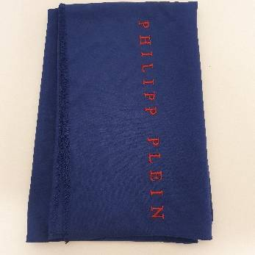 | SA64VIPP650-006 | 100% Viscosa | Bleu/red | 65x180 | 26 | 250 | 6500
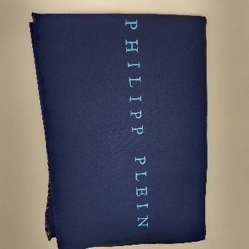 | SA64VIPP650-005 | 100% Viscosa | Bleu/light blue | 65x180 | 25 | 250 | 6250
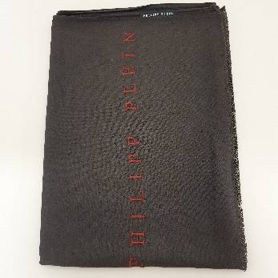 | SA64VIPP650-011 | 100% Viscosa | Brown/red | 65x180 | 25 | 250 | 6250
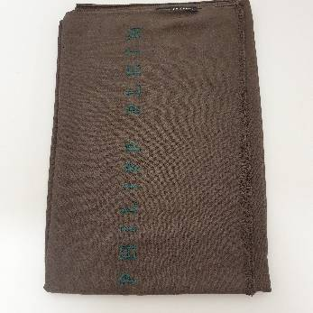 | SA64VIPP650-012 | 100% Viscosa | Brown/green | 65x180 | 25 | 250 | 6250
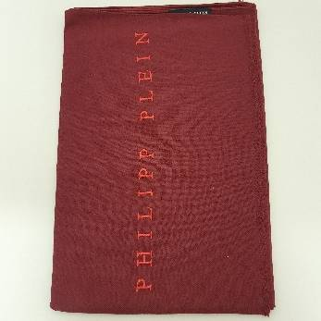 | SA64VIPP650-002 | 100% Viscosa | Bordeaux/red | 65x180 | 10 | 250 | 2500
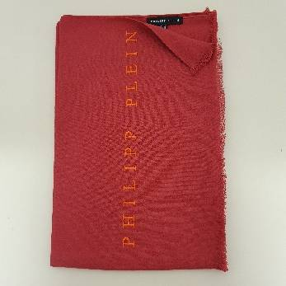 | SA64VIPP650-003 | 100% Viscosa | Red/orange | 65x180 | 10 | 250 | 2500
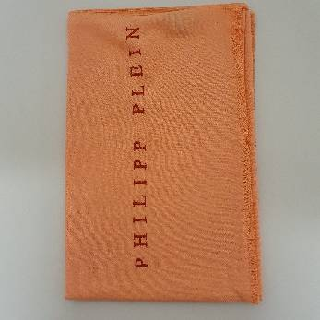 | SA64VIPP650-001 | 100% Viscosa | Orange/red | 65x180 | 10 | 250 | 2500
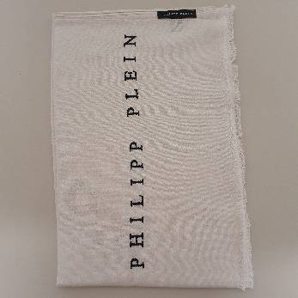 | SA64VIPP650-010 | 100% Viscosa | White/black | 65x180 | 10 | 250 | 2500
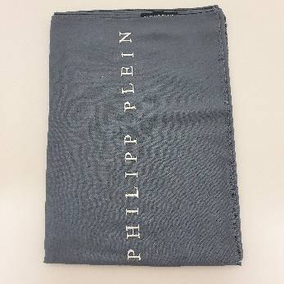 | SA64VIPP650-007 | 100% Viscosa | Grey/white | 65x180 | 25 | 250 | 6250
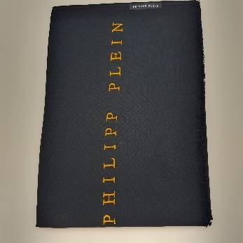 | SA64VIPP650-008 | 100% Viscosa | Black/yellow | 65x180 | 35 | 250 | 8750
 |  |  |  |  | 201 |  | 50250

